grain size analysis
after the flood (2010)
percent passing(%)
particle size (mm)
* grain-size distribution of bed material (2010) _ Grab sampler(60L)
particle size time | D35(mm) | D50(mm) | D65(mm) | D90(mm) | 균등계수 Coefficient of uniformity (Cu) | 곡률계수 Coefficient of curvature (Cg)
평군 (mean) | 0.46 | 1.03 | 1.68 | 3.86 | 7.29 | 0.56

before the flood (2011)
after the flood (2011)
mean
percent passing(%)
particle size (mm)
* grain-size distribution of bed material (2011) _ grid sampling(Hack_1947)
particle size time | D35(mm) | D50(mm) | D65(mm) | D90(mm) | 균등계수 Coefficient of uniformity (Cu) | 곡률계수 Coefficient of curvature (Cg)
평군 (mean) | 0.60 | 0.85 | 1.09 | 2.76 | 4.40 | 1.17

* grain-size distribution of bed material (2012) _ grid sampling(Hack_1947)

* particle size distribution of suspended sediment (2012) |  |  |  |  |  |  |  |  |  | * grain-size distribution of bed material (2012)

No | particle size distribution of suspended sediment (%) |  |  |  |  |  |  |  |  | particle size time | D10 | D30 | D35 | D60 | D65 | 균등계수 Coefficient of uniformity (Cu) | 곡률계수 Coefficient of curvature (Cg)
 | range (mm) |  |  |  |  |  |  |  | sum | 홍수전 (before the flood) | 0.25 | 0.59 | 0.65 | 0.88 | 0.93 | 1.49 | 1.57
 | 0.0020~ | 0.0222~ | 0.0313~ | 0.0423~ | 0.0626~ | 0.1251~ | 0.2501~ | 0.5001~ |  | 홍수후(after the flood ) | 0.27 | 0.60 | 0.67 | 0.95 | 1.06 | 1.57 | 1.42
 | 0.0221 | 0.0312 | 0.0422 | 0.0625 | 0.125 | 0.25 | 0.5 | 1 |  | 평균 (mean) | 0.26 | 0.60 | 0.66 | 0.92 | 0.97 | 1.53 | 1.49
1 | 44.7 | 16.4 | 26.5 | 7.9 | 4.3 | 0.1 | 0.1 | 0 | 100 | particle size time | D5 | D10 | D15 | D20 | D25 | D30 | D35 | D40 | D45 | D50 | D55 | D60 | D65 | D70 | D75 | D80 | D85 | D90 | D95 | D100
2 | 51.1 | 14.2 | 19.7 | 7.7 | 4.9 | 1.3 | 1 | 0.1 | 100 | 홍수전 (before the flood) | 0.17 | 0.25 | 0.44 | 0.47 | 0.53 | 0.59 | 0.65 | 0.70 | 0.73 | 0.78 | 0.83 | 0.88 | 0.93 | 1.00 | 1.17 | 1.44 | 1.85 | 2.54 | 3.85 | 16.00
3 | 49.3 | 13.8 | 19.7 | 8.5 | 6.3 | 1.4 | 0.7 | 0.3 | 100 | 홍수후 (after the flood ) | 0.19 | 0.27 | 0.43 | 0.47 | 0.53 | 0.60 | 0.67 | 0.72 | 0.77 | 0.83 | 0.89 | 0.95 | 1.06 | 1.24 | 1.48 | 1.74 | 2.12 | 2.88 | 4.00 | 16.00
4 | 51.2 | 18.5 | 22.4 | 4.9 | 2.6 | 0.1 | 0.3 | 0 | 100 | 평균 (mean) | 0.18 | 0.26 | 0.43 | 0.47 | 0.53 | 0.60 | 0.66 | 0.71 | 0.75 | 0.81 | 0.86 | 0.92 | 0.97 | 1.11 | 1.32 | 1.61 | 1.98 | 2.73 | 3.95 | 16.00
5 | 48.5 | 20.3 | 23 | 5.1 | 2.7 | 0.1 | 0.3 | 0 | 100
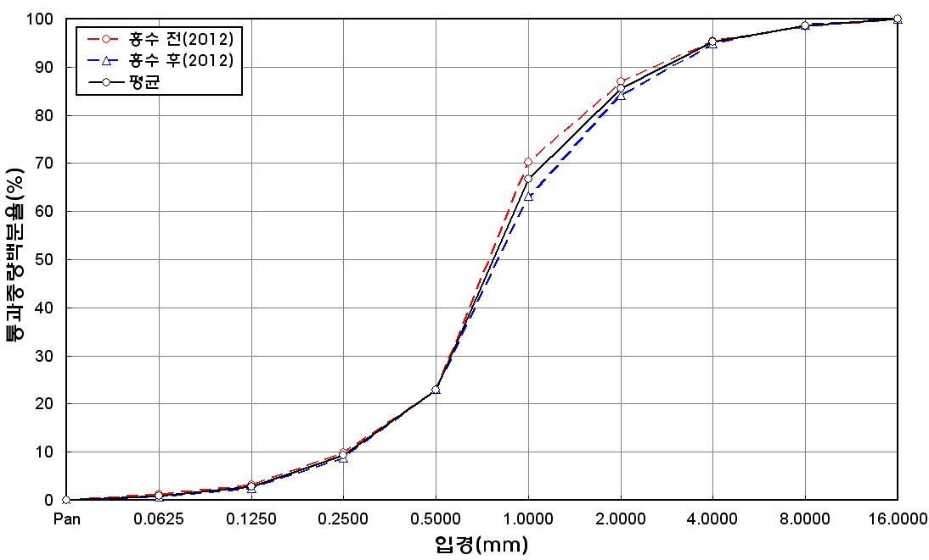
before the flood (2012)
after the flood (2012)
mean
percent passing(%)
particle size (mm)
6 | 46.2 | 19.4 | 23.2 | 6.7 | 3.6 | 0.6 | 0.3 | 0 | 100
7 | 48.2 | 15.2 | 22.7 | 5.9 | 3.7 | 2.6 | 1.3 | 0.4 | 100
8 | 45.6 | 17.8 | 23 | 7.3 | 3.9 | 1.7 | 0.4 | 0.3 | 100
9 | 46.4 | 16.8 | 21.7 | 8.5 | 5.9 | 0 | 0.4 | 0.3 | 100
10 | 46.1 | 15.4 | 23.7 | 8.6 | 4.7 | 0.9 | 0.3 | 0.3 | 100
11 | 45.3 | 14.9 | 24.6 | 8.8 | 4.5 | 1.2 | 0.5 | 0.2 | 100
12 | 47.4 | 15.2 | 22.2 | 8.6 | 4.2 | 1.4 | 0.7 | 0.3 | 100
13 | 46.8 | 15.2 | 20.3 | 9.9 | 6.3 | 0.5 | 0.8 | 0.2 | 100
14 | 48.9 | 13.6 | 19.6 | 9.2 | 6 | 1.4 | 1 | 0.3 | 100
15 | 46 | 13.6 | 19 | 8.8 | 6.1 | 3.7 | 2.4 | 0.4 | 100
16 | 47.1 | 13.8 | 21.9 | 8.2 | 6.9 | 0.9 | 1.2 | 0 | 100
17 | 46.6 | 15.2 | 20.8 | 8.4 | 5.2 | 2.2 | 1.4 | 0.2 | 100
18 | 50.1 | 14 | 19.7 | 8.6 | 5.6 | 1 | 0.8 | 0.2 | 100
19 | 48.2 | 14.3 | 21.4 | 9.1 | 5.3 | 1.1 | 0.3 | 0.3 | 100
20 | 50.6 | 11.9 | 21.7 | 8.2 | 5.7 | 0.8 | 0.7 | 0.4 | 100
min | 44.7 | 11.9 | 19 | 4.9 | 2.6 | 0 | 0.1 | 0 | -
max | 51.2 | 20.3 | 26.5 | 9.9 | 6.9 | 3.7 | 2.4 | 0.4 | -
mean | 47.7 | 15.5 | 21.8 | 7.9 | 4.9 | 1.2 | 0.7 | 0.2 | 100

